Sheet1
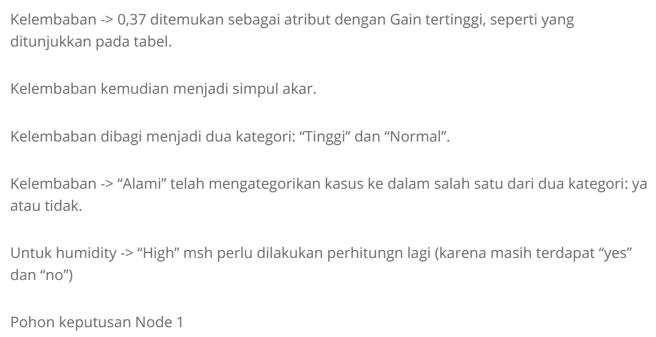
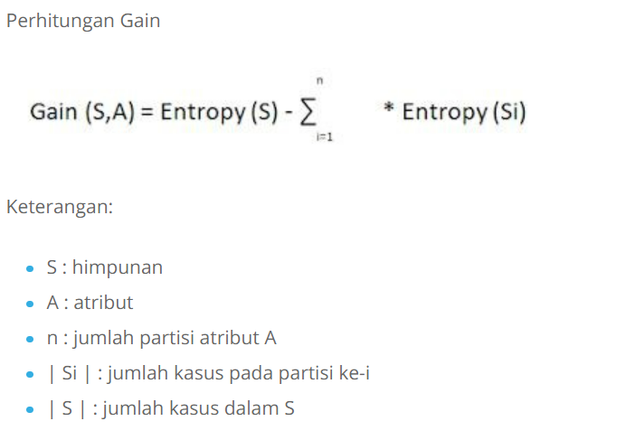
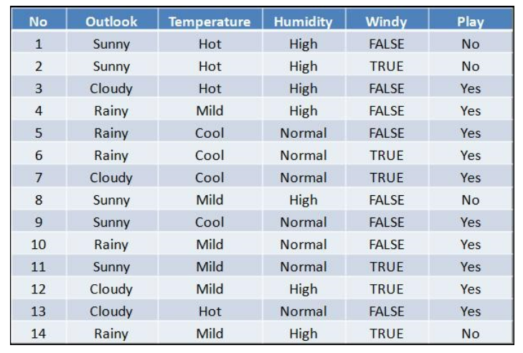
No. | Outlook | TEMPERATURE | Humidity | Windy | Play
1 | Sunny | Hot | High | FALSE | No
2 | Sunny | Hot | High | TRUE | No
3 | Cloudy | Hot | High | FALSE | Yes
4 | Rainy | Mild | High | FALSE | Yes
5 | Rainy | Cool | Normal | FALSE | Yes
6 | Rainy | Cool | Normal | TRUE | Yes
7 | Cloudy | Cool | Normal | TRUE | Yes
8 | Sunny | Mild | High | FALSE | No
9 | Sunny | Cool | Normal | FALSE | Yes
10 | Rainy | Mild | Normal | FALSE | Yes
11 | Sunny | Mild | Normal | TRUE | Yes
12 | Cloudy | Mild | High | TRUE | Yes
13 | Cloudy | Hot | Normal | FALSE | Yes
14 | Rainy | Mild | High | TRUE | No

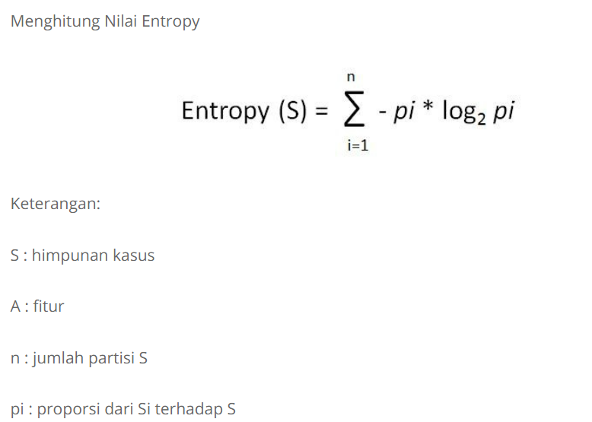
Node |  |  | Jumlah Kasus (S) | Tidak(S1) | Ya(S2) | Entropy | Gain
1 | Total |  | 14 | 4 | 10 | 0.86312056857
 | Outlook |  |  |  |  |  | 0.25852103666
 |  | CLOUDY | 4 | 0 | 4 | 0
 |  | RAINY | 5 | 1 | 4 | 0.72192809489
 |  | SUNNY | 5 | 3 | 2 | 0.97095059445
 | Temperature |  |  |  |  |  | 0.1838509254
 |  | COOL | 4 | 0 | 4 | 0
 |  | HOT | 4 | 2 | 2 | 1
 |  | MILD | 6 | 2 | 4 | 0.91829583405
 | Humidity |  |  |  |  |  | 0.37050650055
 |  | HIGH | 7 | 4 | 3 | 0.98522813603
 |  | NORMAL | 7 | 0 | 7 | 0
 | Windy |  |  |  |  |  | 0.0059777114238
 |  | FALSE | 8 | 2 | 6 | 0.81127812446
 |  | TRUE | 6 | 2 | 4 | 0.91829583405

